ICChart
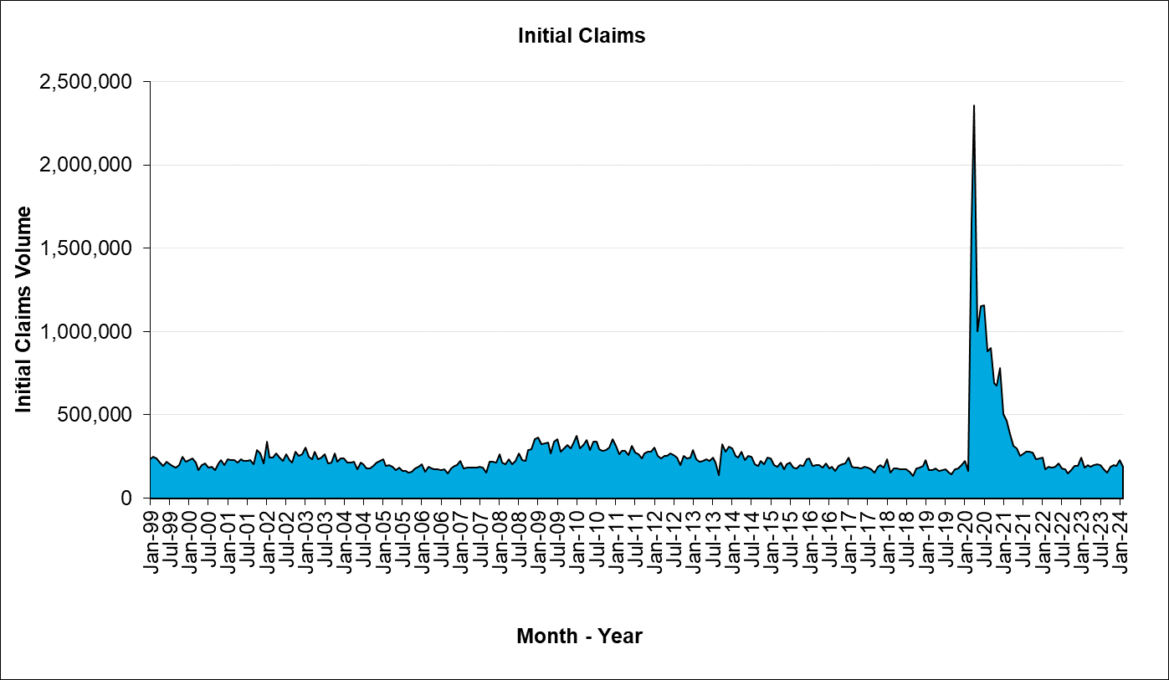
Unemployment Insurance - Quick Statistics

