IUR weekly Chart 3
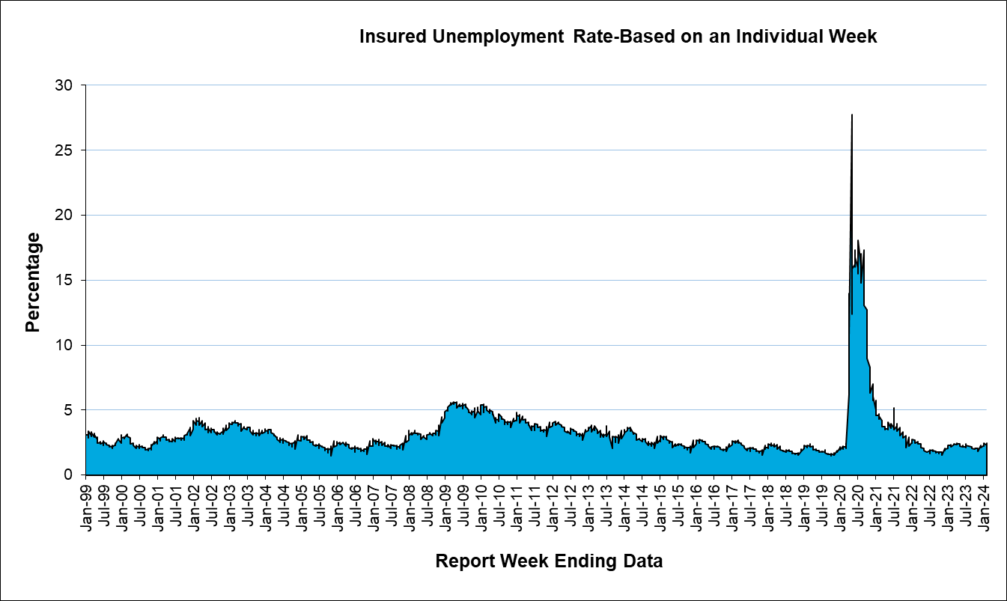
Unemployment Insurance - Quick Statistics

IUR 13wk Chart 1
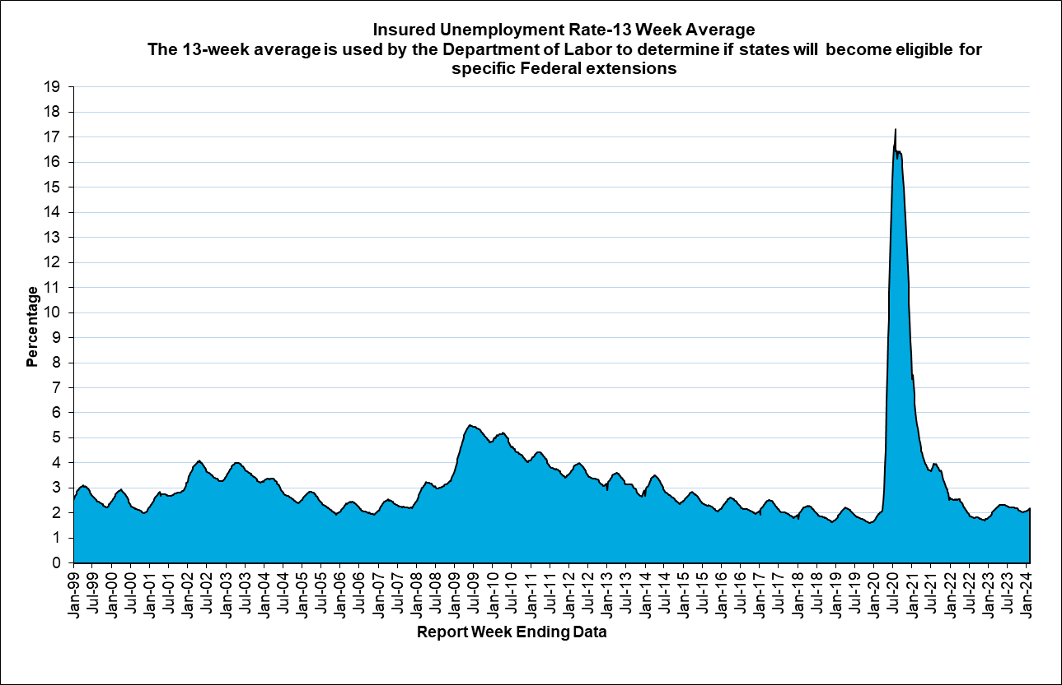
Unemployment Insurance - Quick Statistics

